Results
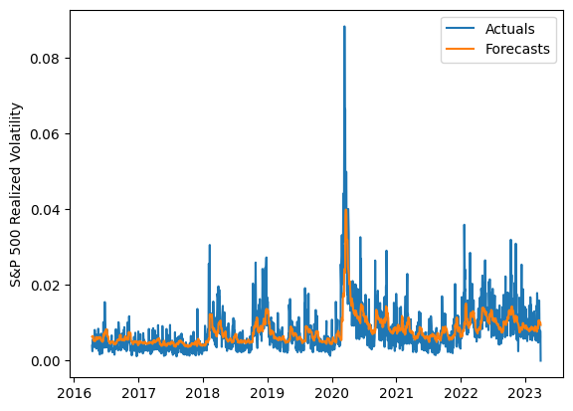
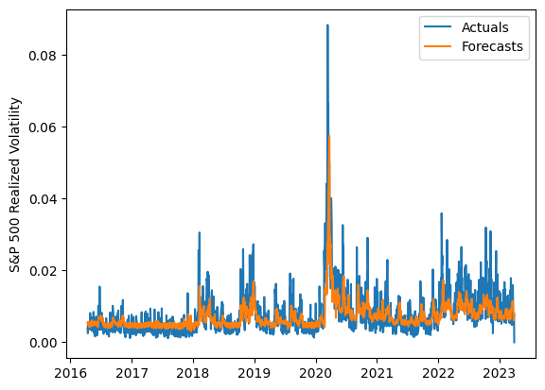
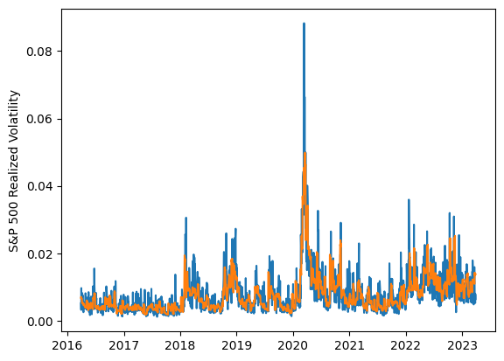
 | LSTM |  |  | TCN |  |  | NBEATSx |  |  |  |  | LSTM |  |  | TCN |  |  | NBEATSx
 | Accuracy | RMSE | Qlike | Accuracy | RMSE | Qlike | Accuracy | RMSE | Qlike |  |  | Accuracy | RMSE | Qlike | Accuracy | RMSE | Qlike | Accuracy | RMSE | Qlike
Trial 1 | 53.98% | 0.30% | 13.65% | 55.88% | 0.29% | 12.93% | 61.75% | 0.27% | 10.80% |  | Mean | 57.57% | 0.291% | 0.124 | 55.14% | 0.296% | 0.133 | 61.35% | 0.272% | 0.103
Trial 2 | 55.94% | 0.29% | 12.88% | 56.01% | 0.29% | 12.95% | 62.49% | 0.27% | 9.64% |  | Standard Deviation | 3.63% | 0.005% | 0.012 | 3.46% | 0.009% | 0.012 | 0.68% | 0.004% | 0.004
Trial 3 | 57.06% | 0.29% | 12.73% | 58.78% | 0.29% | 12.01% | 61.50% | 0.27% | 10.19% |  | 95% CI upper bound | 64.84% | 0.302% | 0.148 | 62.05% | 0.315% | 0.158 | 62.70% | 0.280% | 0.111
Trial 4 | 60.81% | 0.29% | 11.27% | 57.78% | 0.30% | 12.57% | 60.29% | 0.28% | 10.66% |  | 95% CI lower bound | 50.31% | 0.280% | 0.099 | 48.22% | 0.277% | 0.108 | 60.00% | 0.265% | 0.094
Trial 5 | 60.98% | 0.29% | 11.32% | 54.20% | 0.29% | 13.41% | 61.80% | 0.27% | 9.84% |  | 99.7% CI upper bound | 68.47% | 0.307% | 0.161 | 65.51% | 0.325% | 0.170 | 63.38% | 0.284% | 0.115
Trial 6 | 57.78% | 0.29% | 12.18% | 59.01% | 0.29% | 11.87% | 62.12% | 0.27% | 9.89% |  | 99.7% CI lower bound | 46.67% | 0.275% | 0.087 | 44.77% | 0.268% | 0.096 | 59.33% | 0.261% | 0.090
Trial 7 | 60.94% | 0.29% | 11.33% | 55.19% | 0.29% | 13.14% | 60.82% | 0.28% | 10.44%
Trial 8 | 62.84% | 0.29% | 10.76% | 56.87% | 0.29% | 12.51% | 61.94% | 0.27% | 9.94%
Trial 9 | 57.07% | 0.29% | 12.34% | 57.49% | 0.30% | 12.67% | 59.99% | 0.28% | 10.54%
Trial 10 | 62.86% | 0.28% | 10.62% | 53.75% | 0.29% | 13.75% | 61.53% | 0.27% | 9.77%
Trial 11 | 60.00% | 0.28% | 11.40% | 56.03% | 0.30% | 13.08% | 61.60% | 0.28% | 11.06%
Trial 12 | 53.78% | 0.30% | 13.72% | 49.63% | 0.30% | 15.32% | 61.34% | 0.27% | 10.27%
Trial 13 | 53.88% | 0.30% | 13.59% | 45.75% | 0.33% | 16.67% | 61.19% | 0.27% | 10.11%
Trial 14 | 52.23% | 0.30% | 14.27% | 55.01% | 0.30% | 13.52% | 61.20% | 0.27% | 10.10%
Trial 15 | 53.43% | 0.30% | 13.81% | 55.67% | 0.29% | 13.23% | 60.74% | 0.28% | 10.56%

 | LSTM (best trial) |  |  |  |  |  |  |  |  | TCN (best trial) |  |  |  |  |  |  |  |  | NBEATSx (best trial)

